Sheet1
Dependent variable: Median House Value | OLS |  | Spatial Lag |  | Spatial Error
 | Estimate | P-Value | Estimate | P-Value | Estimate | P-Value
PARAMETER ESTIMATES
Constant | -9320.58 | 0.00009 | -13874.8 | 0 | 18062.1 | 0
MEDHHINC | 2.29514 | 0 | 1.19107 | 0 | 1.33505 | 0
PCTSINGLES | 348.524 | 0.00011 | 202.395 | 0.00341 | 389.173 | 0
W_MEDHVAL (Spatial Lag of MEDHVAL) | -- | -- | 0.605513 | 0 | -- | --
Lambda (Spatial Lag of Residuals) | -- | -- | -- | -- | 0.712316 | 0

DEFINING GEOGRAPHIC PROXIMITY
Neighbors | Queen |  | Queen |  | Queen

GOODNESS OF FIT STATISTICS
Local R-Squares
Global R-Square | 0.43 | -- | -- | -- | -- | --
Adjusted (Global) R-Square | 0.43 | -- | -- | -- | -- | --
F-Statistic | 657.9 | 0 | -- | -- | -- | --
Akaike Information Criterion (AIC) (lower is better) | 41755.2 | -- | 40962.7 | -- | 40999 | --
Schwarz Criterion (SC) (lower is better) | 41771.5 | -- | 40984.5 | -- | 41015.3 | --
Log Likelihood (higher -- that is, less negative -- is better) | -20874.6 | -- | -20477.4 | -- | -20496.5 | --

EXAMINING MULTICOLLINEARITY
Multicollinearity Condition Number (>30 is problematic) | 4.85 | -- | -- | -- | -- | --

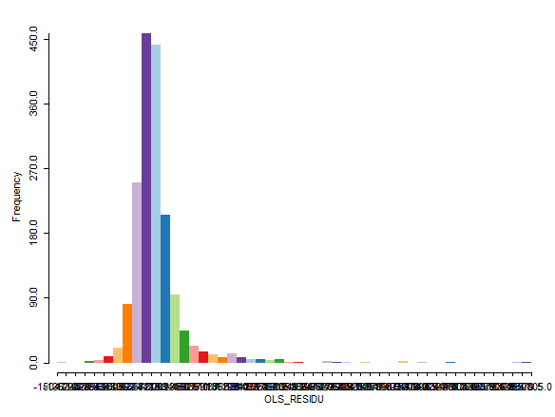
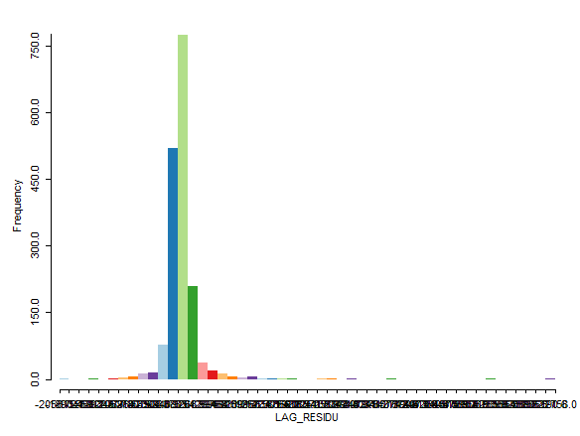
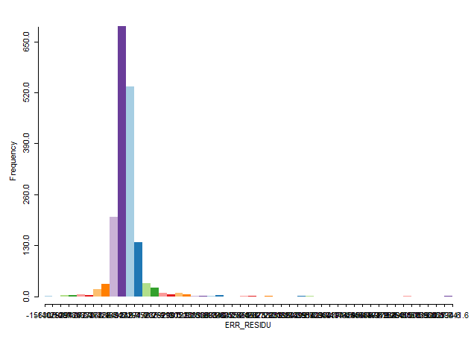
EXAMINING NORMALITY
Jarque-Bera Test (H0: Residuals are Normal; Ha: Residuals not Normal) | 140594.64 | 0 | -- | -- | -- | --
Histogram of residuals

EXAMINING HETEROSCEDASTICITY
Breusch-Pagan Test (H0: Homoscedasticity; Ha: Heteroscedasticity) | 6015.72 | 0 | 23527.87 | 0 | 23196.07 | 0
Koenker-Bassett Test (H0: Homoscedasticity; Ha: Heteroscedasticity) | 266.67 | 0 | -- | -- | -- | --
White Test (H0: Homoscedasticity; Ha: Heteroscedasticity) | 379.24 | 0 | -- | -- | -- | --
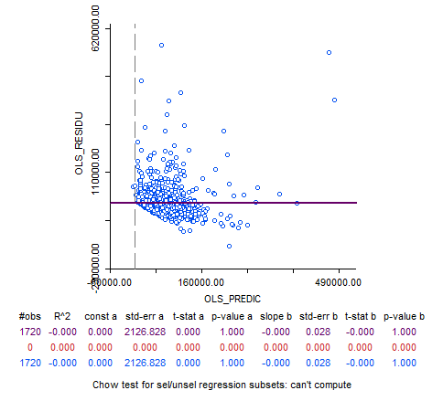
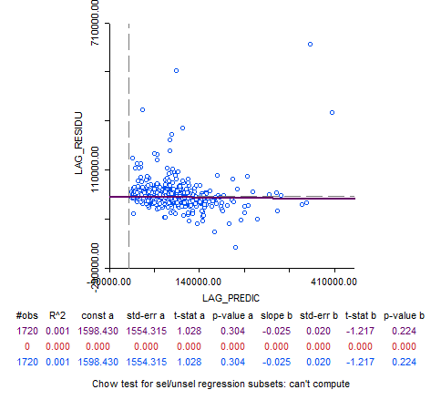
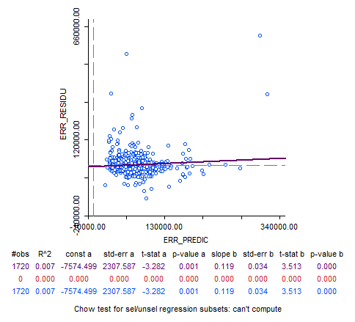
Regular scatter residual-by-predicted scatterplot

EXAMINING SPATIAL AUTOCORRELATION IN RESIDUALS
Moran's I (Queen Matrix) (Significant results imply spatial autocorrelation) | 0.45 | 0 | -0.00968 | 0.238 | -0.053052 | 0.001
Lambda (Beta estimate from regressing residuals on queen neighbor residuals) | 0.825503 | 0 | -- | -- | -- | --

Lagrange Multiplier (Model that has significant LM is better; if both significant look at robust LMs) | NB: These are produced for Spatial lag and error models in the OLS Output |  | 1058.44 | 0 | 1016.45 | 0
Robust Lagrange Multiplier (Model that has significant Robust LM is better; if both significant, the one that has the higher value is better) |  |  | 158.66 | 0 | 116.67 | 0

Likelihood Ratio Test (H0: spatial model not better than OLS; Ha: spatial model is better than OLS) | -- | -- | 794.49 | 0 | 756.21 | 0

